New Customer
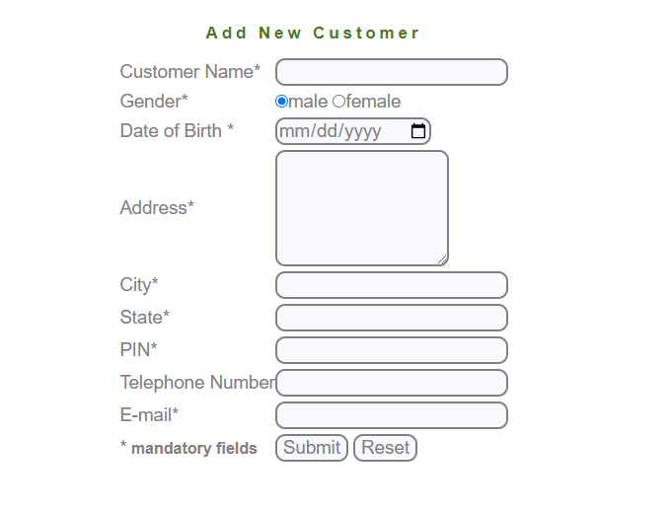
TestCase# | Test Scenario | Test Cases | Test Steps | Test Data | Expected Result | Actual Result | status_V1 | status_V1
TC_NC_01 | UI Design | verfiy that when manger press add customer open the correct page |  |  | redirected to correct page |  | Passed
TC_NC_02 |  | verify that the alignment of all fields in the page |  |  | the UI design is as per as the specifications |  | Passed
TC_NC_03 | Functional | verify the submit button work successfully with valid data |  | customer name : mohamed gender : male date of birth : 16-2-1999 address : st.1 city : alex state : elhadara PIN : 165985 telephone number : 01274346757 email ID : m7mdezk@gmail.com | the customer profile added to the dataBase system |  | Failed | Passed
TC_NC_04 |  | verify that reset button work successfully to remove data |  |  | all data entered will be removed |  | Passed
TC_NC_05 | Customer Name | Numbers are not allowed |  |  | system only accept number digits |  | Passed
TC_NC_06 |  | Special characters are not allowed |  |  | error message will display to the manger |  | Passed
TC_NC_07 |  | Customer name must not be blank |  |  | error message will display to the manger |  | Passed
TC_NC_08 |  | First character cannot have space |  |  | error message will display to the manger |  | Passed
TC_NC_09 | Gender | gender must be checked |  |  | by dafualt the system choose the male gender |  | Passed
TC_NC_10 |  | user can't choose two options |  |  | system can't choose two options |  | Passed
TC_NC_11 | Date of Birth | date of birth must not be blank |  |  | error message will display to the manger |  | Failed | Passed
TC_NC_12 |  | user can enter the date manually |  |  | user can enter it manual using valid format |  | Passed
TC_NC_13 |  | the field allow special character "-" "/" |  |  | error message will display to the manger |  | Passed
TC_NC_14 |  | user can't enter date in the future |  |  | error message will display to the manger |  | Failed | Failed
TC_NC_15 |  | the age of customer must be above 16 years |  |  | if customer below of 16 error message will display to the manger |  | Passed
TC_NC_16 | Address | Address Field must not be blank |  |  | error message will display to the manger |  | Failed | Passed
TC_NC_17 |  | First character can not have space |  |  | error message will display to the manger |  | Passed
TC_NC_18 |  | Special characters are not allowed |  |  | error message will display to the manger |  | Passed
TC_NC_19 | City | Special character are not allowed |  |  | error message will display to the manger |  | Passed
TC_NC_20 |  | City Field must not be blank |  |  | error message will display to the manger |  | Passed
TC_NC_21 |  | Numbers are not allowed |  |  | error message will display to the manger |  | Passed
TC_NC_22 |  | First character can not have space |  |  | error message will display to the manger |  | Passed
TC_NC_23 | State | Numbers are not allowed |  |  | error message will display to the manger |  | Passed
TC_NC_24 |  | State must not be blank |  |  | error message will display to the manger |  | Passed
TC_NC_25 |  | Special characters are not allowed |  |  | error message will display to the manger |  | Passed
TC_NC_26 |  | First character cannot have space |  |  | error message will display to the manger |  | Passed
TC_NC_27 | Pin | Characters are not allowed |  |  | error message will display to the manger |  | Passed
TC_NC_28 |  | PIN Code must not be blank |  |  | error message will display to the manger |  | Passed
TC_NC_29 |  | Special characters are not allowed |  |  | error message will display to the manger |  | Passed
TC_NC_30 |  | enter 5 digits in PIN code |  |  | error message will display to the manger |  | Passed
TC_NC_31 |  | enter 7 digits in PIN code |  |  | error message will display to the manger |  | Passed
TC_NC_32 |  | PIN Code must have 6 Digits |  |  | system accept the 6 didgits |  | Passed
TC_NC_33 |  | First character can not have space |  |  | error message will display to the manger |  | Passed
TC_NC_34 | Telephone Number | Mobile no must not be blank |  |  | error message will display to the manger |  | Passed
TC_NC_35 |  | Special character are not allowed |  |  | error message will display to the manger |  | Passed
TC_NC_36 |  | Character are not allowed |  |  | error message will display to the manger |  | Passed
TC_NC_37 |  | First character can not have space |  |  | error message will display to the manger |  | Passed
TC_NC_38 | Email | Email ID must not be blank |  |  | error message will display to the manger |  | Passed
TC_NC_39 |  | email dosen't contails space |  |  | error message will display to the manger |  | Failed | Failed
TC_NC_40 |  | Email ID is not valid |  |  | error message will display to the manger |  | Passed
TC_NC_41 |  | First character can not have space |  |  | error message will display to the manger |  | Passed
TC_NC_42 |  | system shows an error If same Email Id exist in the system |  |  | error message will display to the manger |  | Passed
TC_NC_43 | functionality | verify that after manager add new customer that genrate a customer ID |  |  | validation |  | Failed
TC_NC_44 |  | verify that new customer that added to dataBase can logIn successfully |  | Sanjay Male 24/02/1990 Address - Ahmedabad City - Ahmedabad State - Gujarat PIN - 380009 Telephone - 8000187025 Email - sanjayrathod273@gmail.com UserId - 1234 and submit | validation |  | Skipped/Blocked | Passed
TC_NC_45 |  | verify that manger can edit the details of customer that added to dataBase |  |  | validation |  | Skipped/Blocked | Passed
TC_NC_46 |  | verify that manger can delete customer that added to dataBase |  |  | validation |  | Skipped/Blocked | Passed
TC_NC_47 |  | verify that new customer recive a mail of creation the profile contains his credentials |  |  | validation |  | Skipped/Blocked | Failed
TC_NC_48 |  | verfify that mananger can't add the same customer twice again |  |  | error message will display to the manger |  | Skipped/Blocked | Passed

Delete Customer
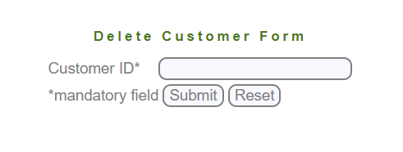
TestCase# | Test Scenario | Test Cases | Test Steps | Test Data | Expected Result | Actual Result | status_V1 | status_V2
TC_DC_01 | UI Design | verfiy that when manger press delete customer open the correct page |  |  | redirected to correct page |  | Passed
TC_DC_02 |  | verify that the alignment of all fields in the page |  |  | the UI design is as per as the specifications |  | Passed
TC_DC_03 | Functional | verify the submit button work successfully with valid data |  |  | redirected to edit customer page successfully |  | Failed | Failed
TC_DC_04 |  | verify that reset button work successfully to remove data |  |  | all data entered by manger will be removed |  | Passed
TC_DC_05 | Customer Id | Customer ID is required |  |  | error message will display to the manger |  | Passed
TC_DC_06 |  | Special character are not allowed |  |  | error message will display to the manger |  | Passed
TC_DC_07 |  | Characters are not allowed |  |  | error message will display to the manger |  | Failed | Passed
TC_DC_08 |  | First character can not have space |  |  | error message will display to the manger |  | Failed | Passed
TC_DC_09 |  | System displays an error If Customer Id does not associate with Manager |  |  | error message will display to the manger |  | Skipped/Blocked | Passed
TC_DC_10 |  | System displays an error If Customer Id is invalid |  |  | error message will display to the manger |  | Skipped/Blocked | Passed
TC_DC_11 |  | verify that customer can't login again after the manger delete his profile |  |  | error message will display to the manger |  | Skipped/Blocked | Skipped/Blocked
TC_DC_12 |  | verify that the customer ID associated in to manager dataBase |  |  | validation |  | Failed | Passed

New Account
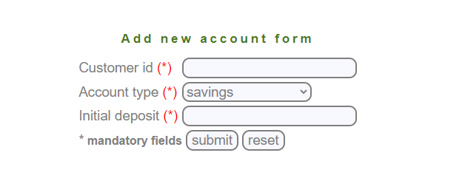
TestCase# | Test Scenario | Test Cases | Test Steps | Test Data | Expected Result | Actual Result | status_V1 | status_V2
TC_NA_01 | UI Design | verfiy that when manger press delete customer open the correct page |  |  | redirected to correct page |  | Passed
TC_NA_02 |  | verify that the alignment of all fields in the page |  |  | the UI design is as per as the specifications |  | Passed
TC_NA_03 | Functional | verify the submit button work successfully with valid data |  | customer id -1234 account type-saving/current Initial Deposit-500 | account added to dataBase of the system |  | Failed | Passed
TC_NA_04 |  | verify that reset button work successfully to remove data |  |  | all data entered by manger will be removed |  | Passed
TC_NA_05 | Customer Id | Customer ID is required |  |  | error message will display to the manger |  | Failed | Passed
TC_NA_06 |  | Special character are not allowed |  |  | error message will display to the manger |  | Failed | Passed
TC_NA_07 |  | Characters are not allowed |  |  | error message will display to the manger |  | Failed | Passed
TC_NA_08 |  | First character can not have space |  |  | error message will display to the manger |  | Failed | Passed
TC_NA_09 |  | System displays an error If Customer Id does not associate with Manager |  |  | error message will display to the manger |  | Skipped/Blocked | Passed
TC_NA_10 |  | System displays an error If Customer Id is invalid |  |  | error message will display to the manger |  | Skipped/Blocked | Passed
TC_NA_11 | Account type | the drop down menu dispalyed to manager |  |  | drop menu displayed in page |  | Passed
TC_NA_12 |  | the drop down menu include the both type of account |  |  | drop menu contains both values |  | Passed
TC_NA_13 |  | the field is required |  |  | error message will display to the manger |  | Passed
TC_NA_14 | Initial deposit | the field is required |  |  | error message will display to the manger |  | Failed | Passed
TC_NA_15 |  | not allowed for negative number |  |  | error message will display to the manger |  | Failed | Passed
TC_NA_16 |  | not allowed for zero value |  |  | error message will display to the manger |  | Failed | Passed
TC_NA_17 |  | must be positive values |  |  | system accept positive values |  | Passed
TC_NA_18 | functionality | verify that customer can have multiple saving accounts |  |  | system accept the account |  | Skipped/Blocked | Passed
TC_NA_19 |  | verify that customer can have multiple current accounts for different companies he owns |  |  | system accept the account |  | Skipped/Blocked | Passed
TC_NA_20 |  | verify that customer can have a multiple current and saving accounts |  |  | system accept the account |  | Skipped/Blocked | Passed
TC_NA_21 |  | Verify that New Account is not added when same account id already exist |  |  | error message will display to the manger |  | Skipped/Blocked | Passed

Edit Account
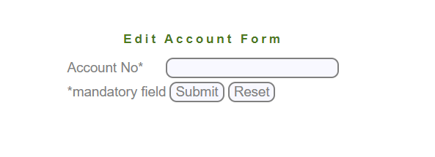
TestCase# | Test Scenario | Test Cases | Test Steps | Test Data | Expected Result | Actual Result | status_V1 | status_V1
TC_EA_01 | UI Design | verfiy that when manger press delete customer open the correct page |  |  | redirected to correct page |  | Passed
TC_EA_02 |  | verify that the alignment of all fields in the page |  |  | the UI design is as per as the specifications |  | Passed
TC_EA_03 | Functional | verify the submit button work successfully with valid data |  | Account Number - 360560330396 | account added to dataBase of the system |  | Failed | Failed
TC_EA_04 |  | verify that reset button work successfully to remove data |  |  | all data entered by manger will be removed |  | Passed
TC_EA_05 | Account No | must not be blank |  |  | error message will display to the manger |  | Passed
TC_EA_06 |  | Special character are not allowed |  |  | error message will display to the manger |  | Passed
TC_EA_07 |  | start with spaces |  |  | error message will display to the manger |  | Passed
TC_EA_08 |  | Characters are not allowed |  |  | error message will display to the manger |  | Passed
TC_EA_09 | functionality | verify that when user enter valid data redirected to edit account page successfully |  |  | redirected to correct page |  | Skipped/Blocked | Failed
TC_EA_10 | Customer Id | Customer ID is required |  |  | error message will display to the manger |  | Skipped/Blocked | Skipped/Blocked
TC_EA_11 |  | Special character are not allowed |  |  | error message will display to the manger |  | Skipped/Blocked | Skipped/Blocked
TC_EA_12 |  | Characters are not allowed |  |  | error message will display to the manger |  | Skipped/Blocked | Skipped/Blocked
TC_EA_13 |  | First character can not have space |  |  | error message will display to the manger |  | Skipped/Blocked | Skipped/Blocked
TC_EA_14 |  | System displays an error If Customer Id does not associate with Manager |  |  | error message will display to the manger |  | Skipped/Blocked | Skipped/Blocked
TC_EA_15 |  | System displays an error If Customer Id is invalid |  |  | error message will display to the manger |  | Skipped/Blocked | Skipped/Blocked
TC_EA_16 | Account type | the drop down menu dispalyed to manager |  |  | drop menu displayed in page |  | Skipped/Blocked | Skipped/Blocked
TC_EA_17 |  | the drop down menu include the both type of account |  |  | drop menu contains both values |  | Skipped/Blocked | Skipped/Blocked
TC_EA_18 |  | the field is required |  |  | error message will display to the manger |  | Skipped/Blocked | Skipped/Blocked
TC_EA_19 | Balance | the field is required |  |  | error message will display to the manger |  | Skipped/Blocked | Skipped/Blocked
TC_EA_20 |  | not allowed for negative number |  |  | error message will display to the manger |  | Skipped/Blocked | Skipped/Blocked
TC_EA_21 |  | not allowed for zero value |  |  | error message will display to the manger |  | Skipped/Blocked | Skipped/Blocked
TC_EA_22 |  | must be positive values |  |  | system accept positive values |  | Skipped/Blocked | Skipped/Blocked
TC_EA_23 | functionality | verify that customer can have multiple saving accounts |  |  | system accept the account |  | Skipped/Blocked | Skipped/Blocked
TC_EA_24 |  | verify that customer can have multiple current accounts for different companies he owns |  |  | system accept the account |  | Skipped/Blocked | Skipped/Blocked
TC_EA_25 |  | verify that customer can have a multiple current and saving accounts |  |  | system accept the account |  | Skipped/Blocked | Skipped/Blocked
the change of Requirment of version 2
TestCase# | Test Scenario | Test Cases | Test Steps | Test Data | Expected Result | Actual Result | status_V2
TC_EA_26 | functionality | verify that after redirected to edit form the manger can't edit in customer ID |  |  | error message will display to the manger |  | Skipped/Blocked
TC_EA_27 |  | verify that after redirected to edit form the manger can't edit in customer Balance |  |  | error message will display to the manger |  | Skipped/Blocked
TC_EA_28 |  | verify that the customer ID is disabled |  |  | validation |  | Skipped/Blocked
TC_EA_29 |  | verify that the customer Balance is disabled |  |  | validation |  | Skipped/Blocked

Delete Account
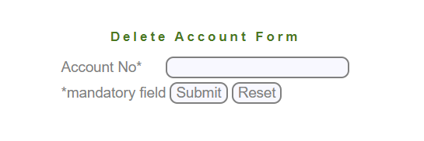
TestCase# | Test Scenario | Test Cases | Test Steps | Test Data | Expected Result | Actual Result | status_V1 | status_V2
TC_DA_01 | UI Design | verfiy that when manger press delete customer open the correct page |  |  | redirected to correct page |  | Passed
TC_DA_02 |  | verify that the alignment of all fields in the page |  |  | the UI design is as per as the specifications |  | Passed
TC_DA_03 | Functional | verify the submit button work successfully with valid data |  |  | account added to dataBase of the system |  | Failed | Passed
TC_DA_04 |  | verify that reset button work successfully to remove data |  |  | all data entered by manger will be removed |  | Passed
TC_DA_05 | Account No | must not be blank |  |  | error message will display to the manger |  | Passed
TC_DA_06 |  | Special character are not allowed |  |  | error message will display to the manger |  | Passed
TC_DA_07 |  | start with spaces |  |  | error message will display to the manger |  | Failed | Passed
TC_DA_08 |  | Characters are not allowed |  |  | error message will display to the manger |  | Passed
TC_DA_09 |  | verify that successful message appare to manger to confirm the removing of an account |  |  | confirmation message will displayed |  | Passed
TC_DA_10 | functionality | verify that user don't have the account after the manager delete his account |  |  | validation |  | Skipped/Blocked | Failed

Mini Statment
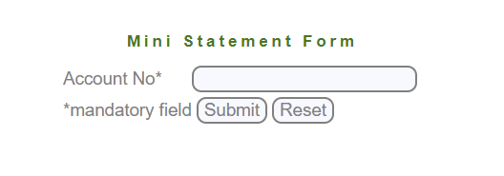
TestCase# | Test Scenario | Test Cases | Test Steps | Test Data | Expected Result | Actual Result | status_V1
TC_MS_01 | UI Design | verfiy that when manger press fund transfer open the correct page |  |  | redirected to correct page |  | Passed
TC_MS_02 |  | verify that the alignment of all fields in the page |  |  | the UI design is as per as the specifications |  | Passed
TC_MS_03 | Functional | verify the submit button work successfully with valid data |  | Account Number - 360560330396 | the balance of the account will display in the screen |  | Failed
TC_MS_04 |  | verify that reset button work successfully to remove data |  |  | all data entered by manger will be removed |  | Passed
TC_MS_05 | Account No | must not be blank |  |  | error message will display to the manger |  | Passed
TC_MS_06 |  | Special character are not allowed |  |  | error message will display to the manger |  | Passed
TC_MS_07 |  | start with spaces |  |  | error message will display to the manger |  | Failed
TC_MS_08 |  | Characters are not allowed |  |  | error message will display to the manger |  | Passed
TC_MS_09 | functionality | System displays an error If account no is invalid |  |  | error message will display to the manger |  | Skipped/Blocked
TC_MS_10 |  | System displays an error If transaction not exist in system |  |  | error message will display to the manger |  | Skipped/Blocked
TC_MS_11 |  | System displays an error If account not associate with manager itself |  |  | error message will display to the manger |  | Skipped/Blocked
TC_MS_12 |  | System displays an error If account associate with customer itself |  |  | error message will display to the manger |  | Skipped/Blocked
TC_MS_13 |  | verify that the balance will display in the screen is correct |  |  | validation |  | Skipped/Blocked
TC_MS_14 |  | verify that customer can see mini-statement of only his “own” accounts |  |  | validation |  | Skipped/Blocked
TC_MS_15 |  | verify that manager can see mini-statement of any account |  |  | validation |  | Skipped/Blocked
TC_MS_16 |  | verify that user can get statement 10 years back |  |  | validation |  | Skipped/Blocked
TC_MS_17 |  | check that if user can get statement 11 years back |  |  | error message will display to the manger |  | Skipped/Blocked
TC_MS_18 |  | verify that user can get statement 9 years back |  |  | validation |  | Skipped/Blocked
TC_MS_19 |  | verify that user can see only last 5 transaction |  |  | validation |  | Skipped/Blocked
TC_MS_20 |  | check that user can see last 6 transactions |  |  | error message will display to the manger |  | Skipped/Blocked
TC_MS_21 |  | verify that user can the last 4 transactions |  |  | validation |  | Skipped/Blocked

Custmized Statement
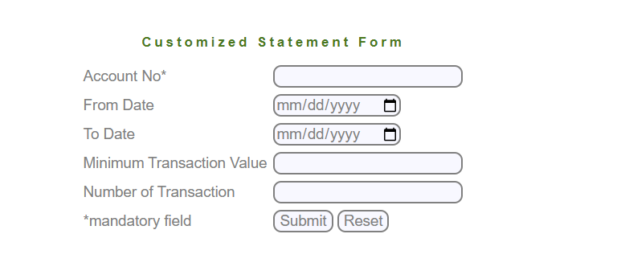
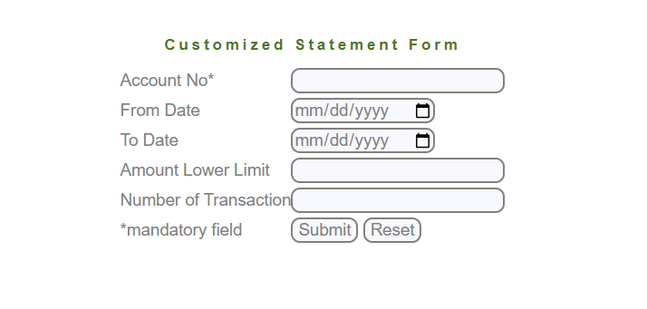
TestCase# | Test Scenario | Test Cases | Test Steps | Test Data | Expected Result | Actual Result | status_V1
TC_CS_01 | UI Design | verfiy that when manger press fund transfer open the correct page |  |  | redirected to correct page |  | Passed
TC_CS_02 |  | verify that the alignment of all fields in the page |  |  | the UI design is as per as the specifications |  | Passed
TC_CS_03 | Functional | verify the submit button work successfully with valid data |  |  | the balance of the account will display in the screen |  | Failed
TC_CS_04 |  | verify that reset button work successfully to remove data |  |  | all data entered by manger will be removed |  | Passed
TC_CS_05 | Account No | must not be blank |  |  | error message will display to the manger |  | Passed
TC_CS_06 |  | start with spaces |  |  | error message will display to the manger |  | Failed
TC_CS_07 |  | Special character are not allowed |  |  | error message will display to the manger |  | Passed
TC_CS_08 |  | Characters are not allowed |  |  | error message will display to the manger |  | Passed
TC_CS_09 | Minimum Transaction Value | must not be blank |  |  | error message will display to the manger |  | Failed
TC_CS_10 |  | Special character are not allowed |  |  | error message will display to the manger |  | Failed
TC_CS_11 |  | Characters are not allowed |  |  | error message will display to the manger |  | Failed
TC_CS_12 | Number of Transaction | must not be blank |  |  | error message will display to the manger |  | Failed
TC_CS_13 |  | Special character are not allowed |  |  | error message will display to the manger |  | Failed
TC_CS_14 |  | Characters are not allowed |  |  | error message will display to the manger |  | Failed
TC_CS_15 | Start Date | date must not be blank |  |  | error message will display to the manger |  | Passed
TC_CS_16 |  | user can enter the date manually |  |  | error message will display to the manger |  | Passed
TC_CS_17 |  | the field allow special character "-" "/" |  |  | validation |  | Passed
TC_CS_18 |  | user can't enter date in the future |  |  | validation |  | Passed
TC_CS_19 | End date | date must not be blank |  |  | error message will display to the manger |  | Passed
TC_CS_20 |  | user can enter the date manually |  |  | error message will display to the manger |  | Passed
TC_CS_21 |  | the field allow special character "-" "/" |  |  | validation |  | Passed
TC_CS_22 |  | user can't enter date in the future |  |  | validation |  | Failed
TC_CS_23 |  | the end date must be after start date |  |  | validation |  | Failed
TC_CS_24 | functionality | System dispalys an error If account no is invalid |  |  | validation |  | Skipped/Blocked
TC_CS_25 |  | System dispalys an error If From Date is greater than To Date |  |  | error message will display to the manger |  | Skipped/Blocked
TC_CS_26 |  | verify that customer can see Customized- statement of only his “own” accounts |  |  | validation |  | Skipped/Blocked
TC_CS_27 |  | verify that manager can see Customized -statement of any account |  |  | validation |  | Skipped/Blocked
TC_CS_28 |  | verify that user can get statement 10 years back |  |  | validation |  | Skipped/Blocked
TC_CS_29 |  | check that if user can get statement 11 years back |  |  | error message will display to the manger |  | Skipped/Blocked
TC_CS_30 |  | verify that user can get statement 9 years back |  |  | validation |  | Skipped/Blocked
the change of Requirment of version 2
TestCase# | Test Scenario | Test Cases | Test Steps | Test Data | Expected Result | Actual Result | status_V2
TC_CS_31 | Number of Transaction | must not be blank |  |  | error message will display to the manger |  | Ready to test
TC_CS_32 |  | Special character are not allowed |  |  | error message will display to the manger |  | Ready to test
TC_CS_33 |  | Characters are not allowed |  |  | error message will display to the manger |  | Ready to test
TC_CS_34 |  | start with spaces |  |  | error message will display to the manger |  | Ready to test

Banace Enquiry
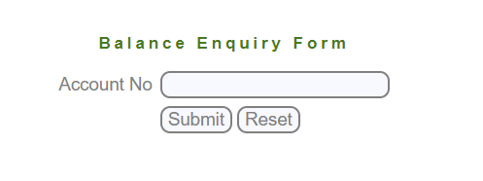
TestCase# | Test Scenario | Test Cases | Test Steps | Test Data | Expected Result | Actual Result | status_v2
TC_BE_01 | UI Design | verfiy that when manger press balance enquiry open the correct page |  |  | redirected to correct page |  | Passed
TC_BE_02 |  | verify that the alignment of all fields in the page |  |  | the UI design is as per as the specifications |  | Passed
TC_BE_03 | Functional | verify the submit button work successfully with valid data |  |  | the balance of the account will display in the screen |  | Failed
TC_BE_04 |  | verify that reset button work successfully to remove data |  |  | all data entered by manger will be removed |  | Passed
TC_BE_05 | Account No | must not be blank |  |  | error message will display to the manger |  | Passed
TC_BE_06 |  | Special character are not allowed |  |  | error message will display to the manger |  | Passed
TC_BE_07 |  | start with spaces |  |  | error message will display to the manger |  | Failed
TC_BE_08 |  | Characters are not allowed |  |  | error message will display to the manger |  | Passed
TC_BE_09 |  | system displays an error If source account number is invalid |  |  | error message will display to the manger |  | Passed
TC_BE_10 |  | system displays an error If source account does not have the necessary balance |  |  | error message will display to the manger |  | Skipped/Blocked
TC_BE_11 |  | system displays an error If source account does not associate with customer |  |  | error message will display to the manger |  | Passed
TC_BE_12 | functionality | verify that Manager can view balance of accounts associate with him |  |  | validation |  | Skipped/Blocked
TC_BE_13 |  | verify that Account number entered should exist in database |  |  | validation |  | Skipped/Blocked
TC_BE_14 |  | verify that Customer can view balance of only his accounts |  |  | validation |  | Skipped/Blocked
TC_BE_15 |  | verify that the balance will displayed is correct |  |  | validation |  | Skipped/Blocked

Fund Transfer
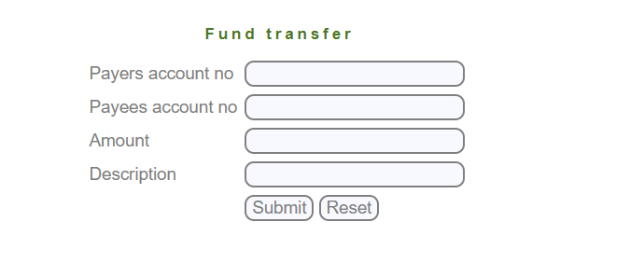
TestCase# | Test Scenario | Test Cases | Test Steps | Test Data | Expected Result | Actual Result | status
TC_FT_01 | UI Design | verfiy that when manger press fund transfer open the correct page |  |  | redirected to correct page |  | Ready to test
TC_FT_02 |  | verify that the alignment of all fields in the page |  |  | the UI design is as per as the specifications |  | Ready to test
TC_FT_03 | Functional | verify the submit button work successfully with valid data |  |  | the balance of the account will display in the screen |  | Ready to test
TC_FT_04 |  | verify that reset button work successfully to remove data |  |  | all data entered by manger will be removed |  | Ready to test
TC_FT_05 | Payers Account Number | Number must not be blank |  |  | error message will display to the manger |  | Ready to test
TC_FT_06 |  | Special characters are not allowed |  |  | error message will display to the manger |  | Ready to test
TC_FT_07 |  | Characters are not allowed |  |  | error message will display to the manger |  | Ready to test
TC_FT_08 | Payees Account Number | Number must not be blank |  |  | error message will display to the manger |  | Ready to test
TC_FT_09 |  | Special characters are not allowed |  |  | error message will display to the manger |  | Ready to test
TC_FT_10 |  | Characters are not allowed |  |  | error message will display to the manger |  | Ready to test
TC_FT_11 | Amount | Number must not be blank |  |  | error message will display to the manger |  | Ready to test
TC_FT_12 |  | Special characters are not allowed |  |  | error message will display to the manger |  | Ready to test
TC_FT_13 |  | Characters are not allowed |  |  | error message will display to the manger |  | Ready to test
TC_FT_14 | Descreption | Number must not be blank |  |  | error message will display to the manger |  | Ready to test
TC_FT_15 |  | Special characters are not allowed |  |  | error message will display to the manger |  | Ready to test
TC_FT_16 |  | Characters are not allowed |  |  | error message will display to the manger |  | Ready to test
TC_FT_17 | functionality | verify that customer can have transfer funds from his “own” account to any destination account |  |  | error message will display to the manger |  | Ready to test
TC_FT_18 |  | verify that manager can transfer funds from any source bank account to destination account |  |  | error message will display to the manger |  | Ready to test
TC_FT_19 |  | system displays an error If these source and destination account numbers are invalid |  |  | error message will display to the manger |  | Ready to test
TC_FT_20 |  | system displays an error If these source and destination account numbers are same |  |  | error message will display to the manger |  | Ready to test
TC_FT_21 |  | system displays an error If the source account does not have the necessary balance |  |  | error message will display to the manger |  | Ready to test
TC_FT_22 |  | system displays an error If the source account does not associated with manager |  |  | error message will display to the manger |  | Ready to test
TC_FT_23 |  | system displays an error If the source account is not associated with the customer itself |  |  | error message will display to the manger |  | Ready to test
TC_FT_24 |  | verify that confirmation alert display that process is done seccessfully |  |  | validation |  | Ready to test
TC_FT_25 |  | verify that the balance of source account is decreased after the process |  |  | validation |  | Ready to test
TC_FT_26 |  | verify that the balance of destination account is increased after the process |  |  | validation |  | Ready to test
TC_FT_27 |  | verify that No Limits on transfer amount in a day |  |  | validation |  | Ready to test

Deposite
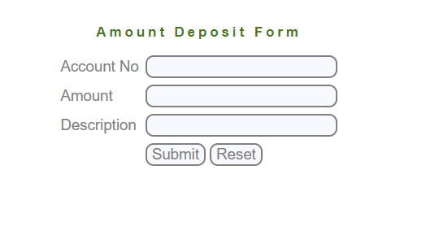
TestCase# | Test Scenario | Test Cases | Test Steps | Test Data | Expected Result | Actual Result | status
TC_DEP_01 | UI Design | verfiy that when manger press Deposite open the correct page |  |  | redirected to correct page |  | Ready to test
TC_DEP_02 |  | verify that the alignment of all fields in the page |  |  | the UI design is as per as the specifications |  | Ready to test
TC_DEP_03 | Functional | verify the submit button work successfully with valid data |  |  | account added to dataBase of the system |  | Ready to test
TC_DEP_04 |  | verify that reset button work successfully to remove data |  |  | all data entered by manger will be removed |  | Ready to test
TC_DEP_05 | Account No | must not be blank |  |  | error message will display to the manger |  | Ready to test
TC_DEP_06 |  | Special character are not allowed |  |  | error message will display to the manger |  | Ready to test
TC_DEP_07 |  | Characters are not allowed |  |  | error message will display to the manger |  | Ready to test
TC_DEP_08 |  | system displays an error If source account number is invalid |  |  | error message will display to the manger |  | Ready to test
TC_DEP_09 |  | system displays an error If source account does not have the necessary balance |  |  | error message will display to the manger |  | Ready to test
TC_DEP_10 |  | system displays an error If source account does not associate with customer |  |  | error message will display to the manger |  | Ready to test
TC_DEP_11 | Amount | field must not be blank |  |  | error message will display to the manger |  | Ready to test
TC_DEP_12 |  | Special characters are not allowed |  |  | error message will display to the manger |  | Ready to test
TC_DEP_13 |  | Characters are not allowed |  |  | error message will display to the manger |  | Ready to test
TC_DEP_14 |  | the amount must be positive values |  |  | validation |  | Ready to test
TC_DEP_15 |  | the amount can't be negative values |  |  | error message will display to the manger |  | Ready to test
TC_DEP_16 |  | the amount can't be zero value |  |  | error message will display to the manger |  | Ready to test
TC_DEP_17 | Description | must not be blank |  |  | error message will display to the manger |  | Ready to test
TC_DEP_18 | functionality | verify that the customer deposite the amount cash |  |  | validation |  | Ready to test
TC_DEP_19 |  | verify that the customer destination in the bank brach |  |  | validation |  | Ready to test
TC_DEP_20 |  | verify that the balance of the account is increased after deposite |  |  | validation |  | Ready to test
TC_DEP_21 |  | unexpected behavuior if the balance after deposite be the same |  |  | invalidation |  | Ready to test

Withdrawal
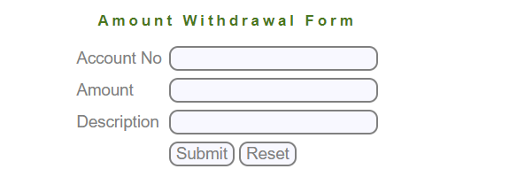
TestCase# | Test Scenario | Test Cases | Test Steps | Test Data | Expected Result | Actual Result | status
TC_WIT_01 | UI Design | verfiy that when manger press withdrawalopen the correct page |  |  | redirected to correct page |  | Ready to test
TC_WIT_02 |  | verify that the alignment of all fields in the page |  |  | the UI design is as per as the specifications |  | Ready to test
TC_WIT_03 | Functional | verify the submit button work successfully with valid data |  |  | account added to dataBase of the system |  | Ready to test
TC_WIT_04 |  | verify that reset button work successfully to remove data |  |  | all data entered by manger will be removed |  | Ready to test
TC_WIT_05 | Account No | must not be blank |  |  | error message will display to the manger |  | Ready to test
TC_WIT_06 |  | Special character are not allowed |  |  | error message will display to the manger |  | Ready to test
TC_WIT_07 |  | Characters are not allowed |  |  | error message will display to the manger |  | Ready to test
TC_WIT_08 |  | system displays an error If source account number is invalid |  |  | error message will display to the manger |  | Ready to test
TC_WIT_09 |  | system displays an error If source account does not have the necessary balance |  |  | error message will display to the manger |  | Ready to test
TC_WIT_10 |  | system displays an error If source account does not associate with manager |  |  | error message will display to the manger |  | Ready to test
TC_WIT_11 |  | system displays an error If source account does not associate with customer |  |  | error message will display to the manger |  | Ready to test
TC_WIT_12 | Amount | field must not be blank |  |  | error message will display to the manger |  | Ready to test
TC_WIT_13 |  | Special characters are not allowed |  |  | error message will display to the manger |  | Ready to test
TC_WIT_14 |  | Characters are not allowed |  |  | error message will display to the manger |  | Ready to test
TC_WIT_15 |  | the amount must be positive values |  |  | validation |  | Ready to test
TC_WIT_16 |  | the amount can't be negative values |  |  | error message will display to the manger |  | Ready to test
TC_WIT_17 |  | the amount can't be zero value |  |  | error message will display to the manger |  | Ready to test
TC_WIT_18 | Description | must not be blank |  |  | error message will display to the manger |  | Ready to test
TC_WIT_19 | functionality | verify that the customer withdrawal the amount cash |  |  | validation |  | Ready to test
TC_WIT_20 |  | verify that the customer destination in the bank brach |  |  | validation |  | Ready to test
TC_WIT_21 |  | verify that the balance of the account is deccreased after deposite |  |  | validation |  | Ready to test
TC_WIT_22 |  | unexpected behavuior if the balance after deposite be the same |  |  | error message will display to the manger |  | Ready to test
TC_WIT_23 |  | verify that the amount of withdrawal will cover the balance of the account |  |  | validation |  | Ready to test
TC_WIT_24 |  | verify that error message will display to user if the amount of withdrawals is above the balance in the account |  |  | error message will display to the manger |  | Ready to test

Change Password
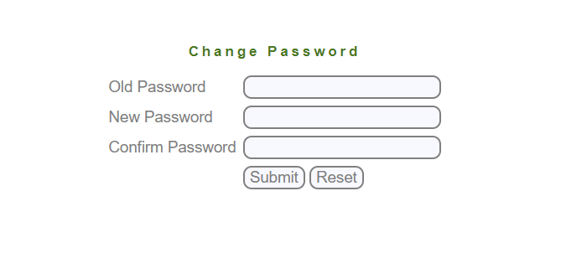
TestCase# | Test Scenario | Test Cases | Test Steps | Test Data | Expected Result | Actual Result | status
TC_CP_01 | UI Design | verfiy that when manger press change password the correct page |  |  | redirected to correct page |  | Ready to test
TC_CP_02 |  | verify that the alignment of all fields in the page |  |  | the UI design is as per as the specifications |  | Ready to test
TC_CP_03 | Functional | verify the submit button work successfully with valid data |  |  | new password added to dataBase of the system |  | Ready to test
TC_CP_04 |  | verify that reset button work successfully to remove data |  |  | all data entered by manger will be removed |  | Ready to test
TC_CP_05 |  | verify that customer can only change his own password |  |  | validation |  | Ready to test
TC_CP_06 |  | verify that manger can only change his own password |  |  | validation |  | Ready to test
TC_CP_07 |  | verify that manager can't change password of any customers |  |  | error message will display to the user |  | Ready to test
TC_CP_08 | Old Password | must not be blank |  |  | error message will display to the user |  | Ready to test
TC_CP_09 |  | System shows an error If Old Password is invalid |  |  | error message will display to the user |  | Ready to test
TC_CP_10 |  | verify the password is encrypted |  |  | validation |  | Ready to test
TC_CP_11 |  | verify that user can copy password from notepad not the oppisite |  |  | validation |  | Ready to test
TC_CP_12 | New Password | must not be blank |  |  | error message will display to the user |  | Ready to test
TC_CP_13 |  | if user don't enter a numeric value will display a message "Enter at-least one numeric value" |  |  | Enter at-least one numeric value |  | Ready to test
TC_CP_14 |  | if user don't enter a character value will display a message "Enter at-least one characervalue" |  |  | Enter at-least one characervalue |  | Ready to test
TC_CP_15 |  | if user don't enter a special char value will display a message "Enter at-least one special char value" |  |  | Enter at-least one special char value |  | Ready to test
TC_CP_16 |  | message appare to user "Choose a difficult Password" |  |  | Choose a difficult Password |  | Ready to test
TC_CP_17 |  | verify the password is encrypted |  |  | validation |  | Ready to test
TC_CP_18 |  | verify that user can copy password from notepad not the oppisite |  |  | validation |  | Ready to test
TC_CP_19 | Confirm Password | verify the password is encrypted |  |  | validation |  | Ready to test
TC_CP_20 |  | verify that user can copy password from notepad not the oppisite |  |  | validation |  | Ready to test
TC_CP_21 |  | error message display to user if Passwords do not Match |  |  | error message will display to the user |  | Ready to test

